Industry Valuation Calculation
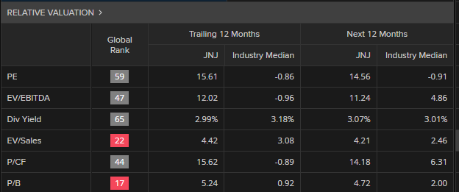
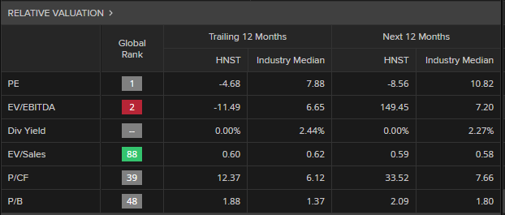
CALCULATIONS: |  |  |  |  | Industry Valuation
 | Johnson & Johnson | 2022 | The Honest Company Inc. | 2022
 | Price -to-Earning : |  | Price -to-Earning : |  |  | 2022
 | Earnings per Share (EPS) | 6.83 | Earnings per Share (EPS) | -0.53 | Price Ratio | Johnson & Johnson | The Honest Company Inc.
 | Price-to-Earnings Ratio | -0.91 | Price-to-Earnings Ratio | -10.82 | P/E : | -6.22 | 5.75
 | Estimated Share Price Bassed on P/E | -6.22 | Estimated Share Price based on P/E | 5.75 | P/B : | 26.92 | 2.17
 | Price-to-Book : |  | Price-to-Book : |  | P/S : | 111.40 | 2.11
 | Total Shareholders Equity | 76804 | Total Shareholders Equity | 146360 | P/CF : | -7.19 | -5.06
 | Numbers of shares outstanding | 2,625 | Numbers of shares outstanding | 92,202 | P/D : | 5.28 | 0.00
 | Book Value per share | 29.26 | Book Value per share | 1.59
 | Price Book Value Ratio | 0.92 | Price Book Value Ratio | 1.37
 | Estimated Share Price based on P / Book Value | 26.92 | Estimated Share Price based on P / Book Value | 2.17
 | Price-to-Sales : |  | Price-to-Sales :
 | Total Revenue | 94,943 | Total Revenue | 313,651
 | Numbers of shares outstanding | 2625 | Numbers of shares outstanding | 92,202
 | Revenue per Share | 36.168761905 | Revenue per Share | 3.4017882514
 | Price Revenue Ratio | 3.08 | P/Revenue Ratio | 0.62
 | Estimated Share Price based on P / Revenue | 111.40 | Estimated Share Price based on P / Revenue | 2.11
 | Price-to-Cash Flow : |  | Price-to-Cash Flow :
 | Cash Flow from Operating Activities | 21194 | Cash Flow from Operating Activities | -76275
 | Numbers of shares outstanding | 2625 | Numbers of shares outstanding | 92,202
 | Cash flow per share | 8.0739047619 | Cash flow per share | -0.82726150683
 | Price Cash Flow Ratio | -0.89 | Price Cash Flow Ratio | 6.12
 | Estimated Share Price Based on P/Cash | -7.186 |  | -5.06
 | Price-to-Dividends : |  | Price-to-Dividends :
 | Dividends Per Share | 4.45 | Dividends Per Share | 0.00
 | Market Price per Share | 177 | Market Price per Share | 3.01
 | Dividend Yield | 2.99% | Dividend Yield | 0.00%
 | Estimated Share Price based on Dividend Yield | 5.28 | Estimated Share Price based on Dividend Yield | 0

 | Johnson & Johnson |  | The Honest Company Inc.

